CPA Over Time
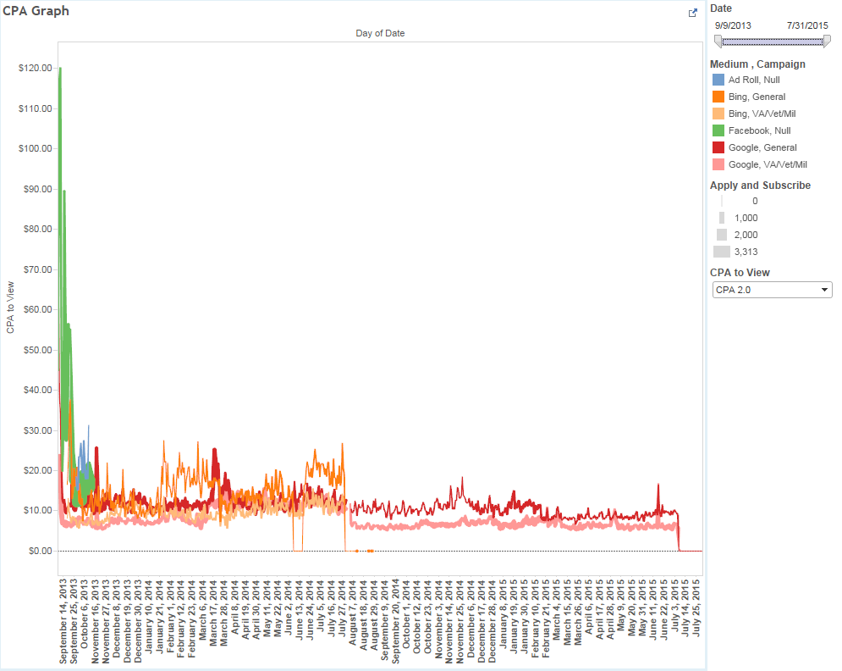
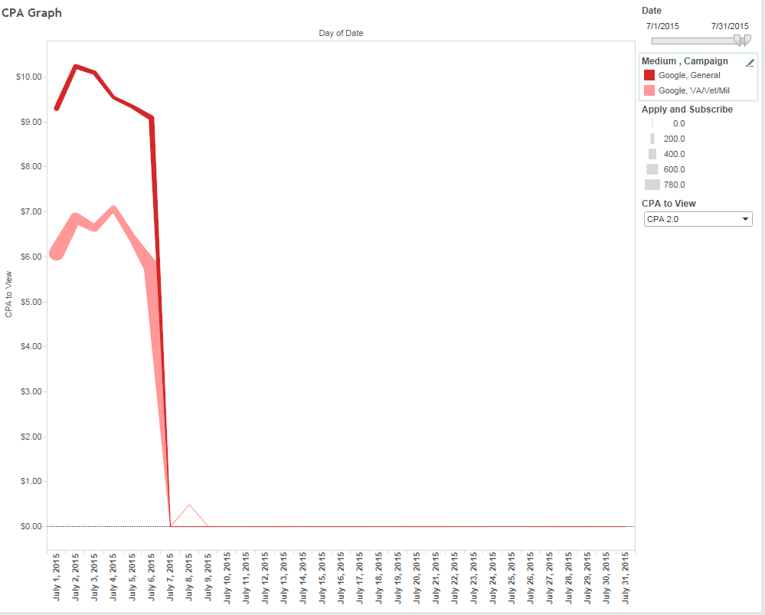
Current Reingold CPA Graph

CPA Over Time
 | Total Spend | Applies | CPA
11/7/16-11/13/16 | $1,794.66 |  | $2.23
11/14/16-11/20/16 | $15,486.71 |  | $10.55
11/21/16-11/27/16 | $15,332.62 |  | $10.22
11/28/16-12/4/16 | $8,658.11 |  | $8.41
12/5/16-12/11/16 | $16,244.42 |  | $7.78
12/12/16-12/18/16 | $15,495.70 |  | $7.50
12/19/16-12/25/16 | $14,548.59 |  | $7.63
12/26/16-1/1/17 | $13,950.58 |  | $6.32
1/2/17-1/8/17 | $15,177.94 |  | $5.99
1/9/17-1/15/17 | $14,638.68 |  | $5.76
1/16/17-1/22/17 | $14,563.34 |  | $5.11
1/23/17-1/29/17 | $14,180.29 |  | $4.78
1/30/17-2/5/17 | $14,832.63 |  | $4.65
2/6/17-2/12/17 | $15,227.38 |  | $4.58
2/13/17-2/19/17 | $15,581.35 |  | $4.52
2/20/17-2/26/17 | $15,305.01 |  | $4.24
2/27/17-3/5/17 | $14,904.69 |  | $4.25
3/6/17-3/12/17 | $15,354.87 |  | $4.13
3/13/17-3/19/17 | $15,380.61 |  | $4.64
3/20/17-3/26/17 | $15,362.66 |  | $4.70
3/27/17-4/2/17 | $10,044.69 |  | $5.62
4/3/17-4/9/17 | $15,167.18 |  | $5.38
4/10/17-4/16/17 | $19,800.30 |  | $4.85
4/17/17-4/23/17 | $21,707.37 |  | $4.51
4/24/17-4/30/17 | $21,030.21 |  | $4.15
5/1/17-5/7/17 | $20,638.50 |  | $4.11
5/8/2017-5/14/17 | $19,719.42 |  | $4.15
5/15/17-5/21/17 | $15,838.23 |  | $4.16
5/22/17-5/28/17 | $20,130.40 |  | $4.12
5/29/17-6/4/17 | $19,643.44 |  | $4.15
6/5/17-6/11/17 | $22,129.20 |  | $3.88
6/12/17-6/18/17 | $19,652.41 |  | $4.03
6/19/17-6/25/17 | $30,005.89 |  | $4.05
6/26/17-7/2/17 | $30,825.49 |  | $4.16
7/3/17-7/9/17 | $30,611.73 |  | $4.30
7/10/17-7/16/17 | $33,233.67 |  | $3.89
7/17/17-7/23/17 | $33,979.23 |  | $3.79
7/24/17-7/30/17 | $34,135.21 |  | $3.62
7/31/17-8/6/17 | $32,913.33 |  | $3.71
8/7/17-8/13/17 | $33,918.68 |  | $3.70
8/14/17-8/20/17 | $34,095.64 |  | $3.71
8/21/17-8/27/17 | $33,177.78 |  | $3.69
8/28/17-9/3/17 | $34,829.05 |  | $3.69

 | Week | Total Spend | CPA
 | 11/7/16-11/13/16 | $1,794.66 | $2.23
 | 11/14/16-11/20/16 | $15,486.71 | $10.55
 | 11/21/16-11/27/16 | $15,332.62 | $10.22
 | 11/28/16-12/4/16 | $8,658.11 | $8.41
 | 12/5/16-12/11/16 | $16,244.42 | $7.78
 | 12/12/16-12/18/16 | $15,495.70 | $7.50
 | 12/19/16-12/25/16 | $14,548.59 | $7.63
 | 12/26/16-1/1/17 | $13,950.58 | $6.32
 | 1/2/17-1/8/17 | $15,177.94 | $5.99
 | 1/9/17-1/15/17 | $14,638.68 | $5.76
 | 1/16/17-1/22/17 | $14,563.34 | $5.11
 | 1/23/17-1/29/17 | $14,180.29 | $4.78
 | 1/30/17-2/5/17 | $14,832.63 | $4.65
 | 2/6/17-2/12/17 | $15,227.38 | $4.58
 | 2/13/17-2/19/17 | $15,581.35 | $4.52
 | 2/20/17-2/26/17 | $15,305.01 | $4.24
 | 2/27/17-3/5/17 | $14,904.69 | $4.25
 | 3/6/17-3/12/17 | $15,354.87 | $4.13
 | 3/13/17-3/19/17 | $15,380.61 | $4.64
 | 3/20/17-3/26/17 | $15,362.66 | $4.70
 | 3/27/17-4/2/17 | $10,044.69 | $5.62
 | 4/3/17-4/9/17 | $15,167.18 | $5.38
 | 4/10/17-4/16/17 | $19,800.30 | $4.85
 | 4/17/17-4/23/17 | $21,707.37 | $4.51
 | 4/24/17-4/30/17 | $21,030.21 | $4.15
 | 5/1/17-5/7/17 | $20,638.50 | $4.11
 | 5/8/2017-5/14/17 | $19,719.42 | $4.15
 | 5/15/17-5/21/17 | $15,838.23 | $4.16
 | 5/22/17-5/28/17 | $20,130.40 | $4.12
 | 5/29/17-6/4/17 | $19,643.44 | $4.15
 | 6/5/17-6/11/17 | $22,129.20 | $3.88
 | 6/12/17-6/18/17 | $19,652.41 | $4.03
 | 6/19/17-6/25/17 | $30,005.89 | $4.05
 | 6/26/17-7/2/17 | $30,825.49 | $4.16
 | 7/3/17-7/9/17 | $30,611.73 | $4.30
 | 7/10/17-7/16/17 | $33,233.67 | $3.89
 | 7/17/17-7/23/17 | $33,979.23 | $3.79
 | 7/24/17-7/30/17 | $34,135.21 | $3.62
 | 7/31/17-8/6/17 | $32,913.33 | $3.71
 | 8/7/17-8/13/17 | $33,918.68 | $3.70
 | 8/14/17-8/20/17 | $34,095.64 | $3.71
 | 8/21/17-8/27/17 | $33,177.78 | $3.69
 | 8/28/17-9/3/17 | $34,829.05 | $3.69

Historical Data
Weekly CPA Break Out
 | SEM | Remarketing |  | Video | Audience
Dec. 14 | 8.77
Dec. 21 | 6.59 | 5.98
Dec. 28 | 7.97 | 7.46 |  |  | 27.3
Jan. 4 | 9.11 | 7.24 |  |  | 23.18
Jan. 11 | 7.56 | 8.28 |  |  | 13.17
Jan. 18 | 7.92 | 9.25 |  |  | 16.63
Jan. 25 | 7.13 | 9.73 |  |  | 28.7
Feb. 1 | 8.22 | 8.04 |  |  | 74.57
Feb. 8 | 10.74 | 5.52 |  |  | 6.87
Feb. 15 | 10.94 | 13.54
Feb. 22 | 11.01 | 14.93
Feb. 29 | 10.84 | 7.09
Mar. 7 | 10.16 | 6.71 |  | 107.14
Mar. 14 | 11.07 | 8.69 |  | 106.24
Mar. 21 | 10.8 | 7.22 |  | 174.98
Mar. 28 | 10.77 | 7.34 |  | 86.48
Apr. 4 | 10.88 | 5.98 |  | 79.14
Apr. 11 | 10.5 | 6.27 |  | 79.38
Apr. 18 | 9.77 | 5.67 |  | 92.14
Apr. 25 | 7.83 | 5.49 |  | 63.47
May. 2 | 8.79 | 5.44 |  | 121.69
May. 9 | 9.38 | 3.56 |  | 79.96
May. 16 | 8.72 | 3.37 |  | 18.66
May. 23 | 9.74 | 3.14 |  | 44.6
May. 30 | 8.38 | 3.44 |  | 37.84
Jun. 6 | 7.9 | 3.25 |  | 182.08
Jun. 13 | 9.03 | 3.63 |  | 240.96
Jun. 20 | 8.72 | 2.98 |  | 157.97
Jun. 27 | 9.52 | 2.45 |  | 110.51
Jul. 4 | 10.05 | 3.1 |  | 79.2
Jul. 11 | 9.65 | 2.72 |  | 220
Jul. 18 | 9.23 | 3.01 |  | 64.91
Jul. 25 | 9.42 | 3.21 |  | 74.71
Aug. 1 | 8.36 | 3.12 |  | 48.61
Aug. 8 | 9.05 | 3.42 |  | 56.55
Aug. 15 | 9.03 | 3.66 |  | 36.47
Aug. 22 | 9.73 | 3.39 |  | 48.69
Aug. 29 | 9.12 | 3.47 |  | 53.48
Sept. 5 | 9.54 | 3.64 |  | 71.09
Sept. 12 | 9.86 | 4.6 |  | 76.69
Sept. 19 | 9.43 | 4.28 |  | 63.31
Sept. 26 | 9.35 | 3.94 |  | 51.71
Overall Average CPA by Tactic
 | SEM | Remarketing | Video | Audience
Dec. 21 | 7.35
Dec. 28 | 7.59 | 6.79 |  | 25.28
Jan. 4 | 8.06 | 6.99 |  | 24.04
Jan. 11 | 7.92 | 7.4 |  | 18.22
Jan. 18 | 7.92 | 7.83 |  | 17.74
Jan. 25 | 7.75 | 8.18 |  | 19.39
Feb. 1 | 7.85 | 8.15 |  | 22.45
Feb. 8 | 8.24 | 7.74 |  | 21.25
Feb. 15 | 8.56 | 8.34
Feb. 22 | 8.81 | 8.98
Feb. 29 | 9.01 | 8.76
Mar. 7 | 9.11 | 8.53 | 107.14
Mar. 14 | 9.26 | 8.55 | 106.48
Mar. 21 | 9.38 | 8.45 | 130.02
Mar. 28 | 9.47 | 8.38 | 111.81
Apr. 4 | 9.55 | 8.2 | 108.84
Apr. 11 | 9.6 | 8.05 | 105.99
Apr. 18 | 9.61 | 7.85 | 104.93
Apr. 25 | 9.5 | 7.68 | 101.05
May. 2 | 9.46 | 7.55 | 102.03
May. 9 | 9.46 | 7.32 | 101.39
May. 16 | 9.42 | 7.09 | 92.06
May. 23 | 9.44 | 6.85 | 89.74
May. 30 | 9.39 | 6.7 | 87.33
Jun. 6 | 9.32 | 6.54 | 88.2
Jun. 13 | 9.3 | 6.41 | 88.9
Jun. 20 | 9.28 | 6.23 | 89.84
Jun. 27 | 9.29 | 6.02 | 90.39
Jul. 4 | 9.31 | 5.89 | 90.15
Jul. 11 | 9.32 | 5.65 | 92.35
Jul. 18 | 9.32 | 5.45 | 90.9
Jul. 25 | 9.32 | 5.3 | 89.19
Aug. 1 | 9.29 | 5.16 | 80.88
Aug. 8 | 9.29 | 5.05 | 78.73
Aug. 15 | 9.28 | 4.96 | 75.46
Aug. 22 | 9.29 | 4.88 | 74.12
Aug. 29 | 9.29 | 4.8 | 73.13
Sept. 5 | 9.29 | 4.74 | 73.05
Sept. 12 | 9.32 | 4.73 | 73.29
Sept. 19 | 9.32 | 4.71 | 72.38
Sept. 26 | 9.32 | 4.68 | 71.48

 |  |  |  | *The above chart is showing CPA by week. SEM and Remarketing are based off the primary axix. Video and Audience are based off the secondary axis.

*The above chart is showing average CPA overtime. SEM and Remarketing are based off the primary axis. Video and Audience are based off the secondary axis.

Cost Per Conversion - Tableau

CPA Comparision
Spend and CPA - Monthly
Month | Media Spend | Applies | Cost per Apply
Sept 2013 | $295,947 | 19,912 | $14.86
Oct 2013 | $236,644 | 18,131 | $13.05
Nov 2013 | $129,793 | 14,148 | $9.17
Dec 2013 | $194,799 | 19,042 | $10.23
Jan 2014 | $168,154 | 17,615 | $9.55
Feb 2014 | $146,768 | 14,546 | $10.09
Mar 2014 | $255,104 | 20,634 | $12.36
Apr 2014 | $254,660 | 21,087 | $12.08
May 2014 | $249,454 | 20,548 | $12.14
Jun 2014 | $174,549 | 14,195 | $12.30
July 2014 | $194,473 | 15,374 | $12.65
Aug 2014 | $105,517 | 14,235 | $7.41
Sept 2014 | $117,987 | 16,552 | $7.13
Oct 2014 | $142,009 | 18,960 | $7.49
Nov 2014 | $154,312 | 19,608 | $7.87
Dec 2014 | $181,759 | 21,741 | $8.36
Jan 2015 | $249,545 | 30,619 | $8.15
Feb 2015 | $212,105 | 24,954 | $8.50
Mar 2015 | $141,256 | 20,472 | $6.90
Apr 2015 | $151,234 | 20,947 | $7.22
May 2015 | $144,544 | 20,561 | $7.03
Jun 2015 | $151,734 | 20,958 | $7.24
Jul 2015 | $28,191 | 3,959 | $7.12
Aug-Nov 2015 | $0 | 0 | $0.00
Month | Paid Media Spend | Paid Media Applies | Cost per Apply | * This graph includes only keyword campaign spend and excludes Facebook Veteran's Day spend (as this campaign was not focused on driving subscribes or applications)
Dec 2015 | $45,000 | 2,420 | $18.60
Jan 2016 | $97,481 | 5,875 | $16.59
Feb 2016 | $116,175 | 5,804 | $20.02
Mar 2016 | $129,753 | 6,875 | $18.87
Apr 2016 | $103,228 | 7,021 | $14.70
May 2016 | $100,891 | 7,696 | $13.11
Jun 2016 | $102,289 | 7,693 | $13.30
July 2016 | $105,921 | 7,299 | $14.51
Aug 2016 | $95,653 | 6,908 | $13.85
Sept 2016 | $116,000 | 8,023 | $14.46
Oct 2016 | $0 | 0 | $0.00
Nov 2016 | $42,643 | 4,154 | $10.27
Dec 2016 | $60,376 | 8,184 | $7.38
Jan 2017 | $64,662 | 12,162 | $5.32
Feb 2017 | $61,116 | 13,710 | $4.46
March 2017 | $66,821 | 14,501 | $4.61
April 2017 | $77,705 | 16,796 | $4.63
May 2017 | $84,962 | 20,804 | $4.08
June 2017 | $106,163 | 26,075 | $4.07
July 2017 | $144,408 | 37,213 | $3.88
August 2017 | $150,977 | 40,819 | $3.70
* This graph includes only keyword campaign spend and excludes Facebook Veteran's Day spend (as this campaign was not focused on driving subscribes or applications)

**In some cases historical data could not be replicated because the tagging of paid campaigns was inconsistent with previous contractor.

